KH miniature ball bearings
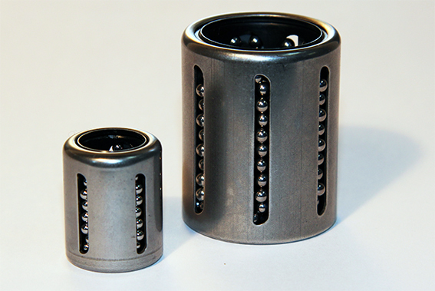
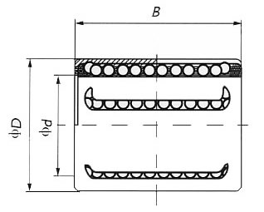
Part Number | d | D | B | C (N) | Co (N) | Weight (g)
KH0622PP | 6 | 12 | 22 | 400 | 239 | 7
KH0824PP | 8 | 15 | 24 | 435 | 280 | 12
KH1026PP | 10 | 17 | 26 | 500 | 370 | 14.5
KH1228PP | 12 | 19 | 28 | 620 | 510 | 18.5
KH1428PP | 14 | 21 | 28 | 620 | 520 | 20.5
KH1630PP | 16 | 24 | 30 | 800 | 620 | 27.5
KH2030PP | 20 | 28 | 30 | 950 | 790 | 32.5
KH2540PP | 25 | 35 | 40 | 1990 | 1670 | 66
KH3050PP | 30 | 40 | 50 | 2800 | 2700 | 95
KH4060PP | 40 | 52 | 60 | 4400 | 4450 | 182
KH5070PP | 50 | 62 | 70 | 5500 | 6300 | 252

